Annualized
Annualized then blended weighted Monthly |  |  | 1.0833333333

Business Unit | TTV ($) | ATV ($) | MSF (ex GST) | COA | Gross GP | Pin Disc | ADV+ Disc. | Saas Disc. | Total Disc. | Comms | Net GP | Business Unit | TTV ($) | ATV ($) | MSF Bips (ex GST) | COA (Bips) | Gross GP (Bips) | Pin Disc | ADV+ Disc. | Saas Disc. | Total Disc. | Comm Bips | Net GP
Bepoz | $67,848,673 | $35.00 | $980,500 | $485,536 | $494,965 | $35,644 | $20,232 | $84,833 | $140,709 | $50,954 | $354,256 | Bepoz | $67,848,673 | $35.00 | 144.51 | 71.56 | 72.95 | 5.25 | 2.98 | 12.50 | 20.74 | 7.51 | 52.21
Deliverit | $2,197,242 | $33.88 | $32,464 | $11,227 | $21,237 | $1,232 | $- | $- | $1,232 | $1,650 | $20,005 | Deliverit | $2,197,242 | $33.88 | 147.75 | 51.09 | 96.65 | 5.61 | - | - | 5.61 | 7.51 | 91.05
Ordermate | $49,911,581 | $45.81 | $724,477 | $352,105 | $372,372 | $28,873 | $17,893 | $63,632 | $110,398 | $37,484 | $261,974 | Ordermate | $49,911,581 | $45.81 | 145.15 | 70.55 | 74.61 | 5.78 | 3.59 | 12.75 | 22.12 | 7.51 | 52.49
SwiftPOS | $6,660,419 | $25.90 | $106,553 | $49,509 | $57,045 | $574 | $- | $107 | $681 | $5,002 | $56,364 | SwiftPOS | $6,660,419 | $25.90 | 159.98 | 74.33 | 85.65 | 0.86 | - | 0.16 | 1.02 | 7.51 | 84.63
SwiftPOS Reseller | $431,420 | $38.71 | $5,807 | $2,444 | $3,362 | $425 | $- | $- | $425 | $324 | $2,937 | SwiftPOS Reseller | $431,420 | $38.71 | 134.60 | 56.66 | 77.94 | 9.85 | - | - | 9.85 | 7.51 | 68.09
IdealPOS | $6,301,210 | $33.99 | $89,997 | $36,097 | $53,899 | -$1,900 | $1,123 | $- | -$777 | $4,732 | $54,676 | IdealPOS | $6,301,210 | $33.99 | 142.82 | 57.29 | 85.54 | -3.02 | 1.78 | - | -1.23 | 7.51 | 86.77
IdealPOS Reseller | $2,086,356 | $36.19 | $30,798 | $13,348 | $17,450 | $2,374 | $- | $- | $2,374 | $1,567 | $15,076 | IdealPOS Reseller | $2,086,356 | $36.19 | 147.61 | 63.98 | 83.64 | 11.38 | - | - | 11.38 | 7.51 | 72.26
Oolio Pay | $387,891 | $31.21 | $5,719 | $1,924 | $3,795 | $56 | $- | $69 | $125 | $291 | $3,671 | Oolio Pay | $387,891 | $31.21 | 147.45 | 49.61 | 97.84 | 1.44 | - | 1.77 | 3.21 | 7.51 | 94.63
Oolio Platform | $8,489,616 | $20.15 | $124,985 | $64,904 | $60,081 | $6,688 | $6,273 | $8,895 | $21,856 | $6,376 | $38,225 | Oolio Platform | $8,489,616 | $20.15 | 147.22 | 76.45 | 70.77 | 7.88 | 7.39 | 10.48 | 25.74 | 7.51 | 45.03
Other | $1,300,734 | $15.28 | $12,019 | $8,580 | $3,439 | $- | $- | $- | $- | $977 | $3,439 | Other | $1,300,734 | $15.28 | 92.40 | 65.96 | 26.44 | - | - | - | - | 7.51 | 26.44
Total | $145,615,142 | $35.32 | $2,113,319 | $1,025,674 | $1,087,645 | $73,966 | $45,521 | $157,535 | $277,022 | $109,357 | $810,622 | Total | $145,615,142 | $35.32 | 145.13 | 70.44 | 74.69 | 5.08 | 3.13 | 10.82 | 19.02 | 7.51 | 55.67

 | Total
Gross GP (Bips) | $74.69
Total Disc. | $17.56
Comm Bips | $5.07
Net GP | $52.06
Business Unit | TTV ($) | ATV ($) | MSF (ex GST) | COA | Gross GP | Pin Disc | ADV+ Disc. | Saas Disc. | Total Disc. | Comms | Net GP | Business Unit | TTV ($) | ATV ($) | MSF Bips (ex GST) | COA (Bips) | Gross GP (Bips) | Pin Disc | ADV+ Disc. | Saas Disc. | Total Disc. | Comm Bips | Net GP
Bepoz | $73,502,729 | $35.00 | $1,062,209 | $525,997 | $536,212 | $35,644 | $20,232 | $84,833 | $140,709 | $55,000 | $340,503 | Bepoz | $73,502,729 | $35.00 | 144.51 | 71.56 | 72.95 | 4.85 | 2.75 | 11.54 | 19.14 | 7.48 | 46.33
Deliverit | $2,380,345 | $33.88 | $35,169 | $12,162 | $23,007 | $1,232 | $- | $- | $1,232 | $- | $21,775 | Deliverit | $2,380,345 | $33.88 | 147.75 | 51.09 | 96.65 | 5.18 | - | - | 5.18 | - | 91.48
Ordermate | $54,070,879 | $45.81 | $784,850 | $381,447 | $403,403 | $28,873 | $17,893 | $63,632 | $110,398 | $25,000 | $268,005 | Ordermate | $54,070,879 | $45.81 | 145.15 | 70.55 | 74.61 | 5.34 | 3.31 | 11.77 | 20.42 | 4.62 | 49.57
SwiftPOS | $7,215,454 | $25.90 | $115,433 | $53,634 | $61,798 | $574 | $- | $107 | $681 | $- | $61,118 | SwiftPOS | $7,215,454 | $25.90 | 159.98 | 74.33 | 85.65 | 0.80 | - | 0.15 | 0.94 | - | 84.70
SwiftPOS Reseller | $467,372 | $38.71 | $6,291 | $2,648 | $3,643 | $425 | $- | $- | $425 | $- | $3,218 | SwiftPOS Reseller | $467,372 | $38.71 | 134.60 | 56.66 | 77.94 | 9.09 | - | - | 9.09 | - | 68.84
IdealPOS | $6,826,311 | $33.99 | $97,496 | $39,105 | $58,391 | -$1,900 | $1,123 | $- | -$777 | $- | $59,168 | IdealPOS | $6,826,311 | $33.99 | 142.82 | 57.29 | 85.54 | -2.78 | 1.65 | - | -1.14 | - | 86.68
IdealPOS Reseller | $2,260,219 | $36.19 | $33,364 | $14,461 | $18,904 | $2,374 | $- | $- | $2,374 | $- | $16,530 | IdealPOS Reseller | $2,260,219 | $36.19 | 147.61 | 63.98 | 83.64 | 10.50 | - | - | 10.50 | - | 73.13
Oolio Pay | $420,216 | $31.21 | $6,196 | $2,085 | $4,111 | $56 | $- | $69 | $125 | $- | $3,987 | Oolio Pay | $420,216 | $31.21 | 147.45 | 49.61 | 97.84 | 1.33 | - | 1.63 | 2.96 | - | 94.87
Oolio Platform | $9,197,085 | $20.15 | $135,400 | $70,313 | $65,087 | $6,688 | $6,273 | $8,895 | $21,856 | $- | $43,231 | Oolio Platform | $9,197,085 | $20.15 | 147.22 | 76.45 | 70.77 | 7.27 | 6.82 | 9.67 | 23.76 | - | 47.01
Other | $1,409,128 | $15.28 | $13,021 | $9,295 | $3,726 | $- | $- | $- | $- | $- | $3,726 | Other | $1,409,128 | $15.28 | 92.40 | 65.96 | 26.44 | - | - | - | - | - | 26.44
Total | $157,749,737 | $35.32 | $2,289,429 | $1,111,147 | $1,178,282 | $73,966 | $45,521 | $157,535 | $277,022 | $80,000 | $821,259 | Total | $157,749,737 | $35.32 | 145.13 | 70.44 | 74.69 | 4.69 | 2.89 | 9.99 | 17.56 | 5.07 | 52.06

Incentive Profile
 | Total
Gross GP (Bips) | $74.69
Pin Disc | $4.69
ADV+ Disc. | $2.89
Saas Disc. | $9.99
Comm Bips | $5.07
Net GP | $52.06

Pie Chart
GTV by Card Type
Amex/JCB | $3,513,337 | 5.18% | $28,972 | 1.32% | $3,451,836 | 6.92% | $204,985 | 3.08% | $10,150 | 2.35% | $158,855 | 2.52%
EFTPOS | $22,346,623 | 32.94% | $992,912 | 45.19% | $14,232,255 | 28.51% | $2,129,764 | 31.98% | $163,384 | 37.87% | $2,604,722 | 41.34%
VC/MC Domestic Credit | $2,616,132 | 3.86% | $99,802 | 4.54% | $2,063,144 | 4.13% | $270,174 | 4.06% | $22,549 | 5.23% | $270,903 | 4.30%
VC/MC Domestic Debit | $15,284,097 | 22.53% | $577,671 | 26.29% | $10,380,846 | 20.80% | $1,703,842 | 25.58% | $79,881 | 18.52% | $1,362,982 | 21.63%
VC/MC Premium Credit | $16,780,190 | 24.73% | $345,339 | 15.72% | $14,191,345 | 28.43% | $1,710,873 | 25.69% | $124,934 | 28.96% | $1,382,178 | 21.94%
VC/MC Premium Debit | $3,679,803 | 5.42% | $128,398 | 5.84% | $3,283,671 | 6.58% | $351,036 | 5.27% | $24,332 | 5.64% | $368,459 | 5.85%
VC/MC Int. Credit | $1,832,306 | 2.70% | $8,759 | 0.40% | $1,251,747 | 2.51% | $143,754 | 2.16% | $2,979 | 0.69% | $72,424 | 1.15%
VC/MC Int.Debit | $1,795,722 | 2.65% | $15,390 | 0.70% | $1,056,703 | 2.12% | $145,986 | 2.19% | $3,211 | 0.74% | $80,688 | 1.28%
MSF by Card Type
Amex/JCB | $54,878 | 5.60% | $428 | 1.32% | $52,870 | 7.30% | $3,347 | 3.14% | $134 | 2.31% | $2,323 | 2.58%
EFTPOS | $313,668 | 31.99% | $14,658 | 45.15% | $205,803 | 28.41% | $33,475 | 31.42% | $2,159 | 37.19% | $36,658 | 40.73%
VC/MC Domestic Credit | $37,107 | 3.78% | $1,474 | 4.54% | $29,898 | 4.13% | $4,094 | 3.84% | $303 | 5.21% | $3,841 | 4.27%
VC/MC Domestic Debit | $216,052 | 22.03% | $8,538 | 26.30% | $149,555 | 20.64% | $28,557 | 26.80% | $1,092 | 18.80% | $19,450 | 21.61%
VC/MC Premium Credit | $253,742 | 25.88% | $5,103 | 15.72% | $205,522 | 28.37% | $26,903 | 25.25% | $1,708 | 29.41% | $20,251 | 22.50%
VC/MC Premium Debit | $52,111 | 5.31% | $1,896 | 5.84% | $47,206 | 6.52% | $5,678 | 5.33% | $325 | 5.60% | $5,265 | 5.85%
VC/MC Int. Credit | $27,299 | 2.78% | $139 | 0.43% | $18,330 | 2.53% | $2,191 | 2.06% | $42 | 0.73% | $1,046 | 1.16%
VC/MC Int. Debit | $25,640 | 2.62% | $227 | 0.70% | $15,292 | 2.11% | $2,307 | 2.17% | $43 | 0.75% | $1,162 | 1.29%
COGS of Each Card Type
 | COGS%
COA Ex GST) | 109.54%
COA Ex GST) | 20.04%
COA Ex GST) | 41.99%
COA Ex GST) | 46.03%
COA Ex GST) | 67.84%
COA Ex GST) | 38.40%
COA Ex GST) | 201.17%
COA Ex GST) | 204.41%
Revenue to GP Report by Card Type
 | MSF | COGS | GP
Amex/JCB | $120,446 | $131,934 | -$11,489
EFTPOS | $663,996 | $133,088 | $530,908
VC/MC Domestic Credit | $83,860 | $35,212 | $48,649
VC/MC Domestic Debit | $468,633 | $215,727 | $252,905
VC/MC Premium Credit | $551,713 | $374,268 | $177,446
VC/MC Premium Debit | $123,228 | $47,321 | $75,907
VC/MC Int. Credit | $52,706 | $106,029 | -$53,324
VC/MC Int. Debit | $48,733 | $99,616 | -$50,883
Total | $2,113,315 | $1,143,195 | $970,120

COA by Card Type as % of Total COA
Amex/JCB | $59,549 | 10.94% | $501 | 3.93% | $58,306 | 15.07% | $3,552 | 6.49% | $184 | 5.74% | $2,675 | 6.65%
EFTPOS | $65,026 | 11.94% | $2,696 | 21.15% | $33,089 | 8.55% | $7,934 | 14.49% | $429 | 13.39% | $7,126 | 17.71%
VC/MC Domestic Credit | $16,135 | 2.96% | $649 | 5.09% | $11,330 | 2.93% | $1,719 | 3.14% | $160 | 4.99% | $1,602 | 3.98%
VC/MC Domestic Debit | $103,320 | 18.98% | $3,775 | 29.61% | $59,926 | 15.49% | $13,031 | 23.81% | $549 | 17.11% | $8,601 | 21.37%
VC/MC Premium Credit | $169,330 | 31.10% | $3,615 | 28.35% | $140,277 | 36.27% | $17,021 | 31.10% | $1,521 | 47.44% | $13,801 | 34.30%
VC/MC Premium Debit | $20,841 | 3.83% | $712 | 5.58% | $15,971 | 4.13% | $2,181 | 3.98% | $153 | 4.78% | $1,975 | 4.91%
VC/MC Int. Credit | $55,262 | 10.15% | $319 | 2.50% | $37,170 | 9.61% | $4,669 | 8.53% | $109 | 3.41% | $2,135 | 5.31%
VC/MC Int. Debit | $54,949 | 10.09% | $484 | 3.79% | $30,719 | 7.94% | $4,630 | 8.46% | $100 | 3.13% | $2,324 | 5.78%
GP Contribution of Each Card Type
Amex/JCB | -1.18%
EFTPOS | 54.73%
VC/MC Domestic Credit | 5.01%
VC/MC Domestic Debit | 26.07%
VC/MC Premium Credit | 18.29%
VC/MC Premium Debit | 7.82%
VC/MC Int. Credit | -5.50%
VC/MC Int. Debit | -5.24%
GP of Each Card
 | Amex/JCB | EFTPOS | VC/MC Domestic Credit | VC/MC Domestic Debit | VC/MC Premium Credit | VC/MC Premium Debit | VC/MC Int. Credit | VC/MC Int. Debit
 | -467091.36% | 24864113.55% | 2097221.36% | 11273235.18% | 8441163.64% | 3126966.36% | -2796222.18% | -2930844.82%
 | -8.51% | 79.27% | 56.52% | 52.18% | 33.27% | 60.01% | -102.43% | -114.31%
 | -1.07% | 57.02% | 4.81% | 25.85% | 19.36% | 7.17% | -6.41% | -6.72%
 | -7352.09% | 1196120.55% | 82574.45% | 476290.55% | 148803.00% | 118455.27% | -17944.55% | -25652.36%
 | -17.18% | 81.60% | 56.01% | 55.78% | 29.16% | 62.47% | -128.77% | -112.99%
 | -0.37% | 60.68% | 4.19% | 24.16% | 7.55% | 6.01% | -0.91% | -1.30%
 | -543677.18% | 17271426.36% | 1856827.27% | 8962940.00% | 6524540.00% | 3123490.91% | -1884024.55% | -1542714.55%
 | -10.28% | 83.92% | 62.10% | 59.93% | 31.75% | 66.17% | -102.79% | -100.88%
 | -1.61% | 51.15% | 5.50% | 26.54% | 19.32% | 9.25% | -5.58% | -4.57%
 | -20473.55% | 2554133.00% | 237477.09% | 1552630.91% | 988249.09% | 349765.64% | -247833.64% | -232273.64%
 | -6.12% | 76.30% | 58.00% | 54.37% | 36.73% | 61.60% | -113.13% | -100.67%
 | -0.40% | 49.29% | 4.58% | 29.96% | 19.07% | 6.75% | -4.78% | -4.48%
 | -4989.09% | 173011.18% | 14261.36% | 54327.27% | 18677.64% | 17180.00% | -6689.27% | -5694.18%
 | -37.23% | 80.12% | 47.12% | 49.76% | 10.94% | 52.85% | -157.66% | -131.15%
 | -1.92% | 66.52% | 5.48% | 20.89% | 7.18% | 6.61% | -2.57% | -2.19%
 | -35159.18% | 2953213.82% | 223917.27% | 1084945.45% | 644989.09% | 328988.18% | -108938.18% | -116180.00%
 | -15.13% | 80.56% | 58.29% | 55.78% | 31.85% | 62.49% | -104.19% | -99.97%
 | -0.71% | 59.35% | 4.50% | 21.80% | 12.96% | 6.61% | -2.19% | -2.33%
 | -22735.27% | 836103.73% | 72556.73% | 348795.45% | 342941.82% | 118148.27% | -58312.55% | -62481.55%
 | -21.44% | 80.05% | 58.94% | 54.14% | 39.66% | 64.87% | -103.11% | -106.69%
 | -1.44% | 53.09% | 4.61% | 22.15% | 21.77% | 7.50% | -3.70% | -3.97%
 | -55469.09% | 3032239.55% | 251768.91% | 1343303.64% | 602170.00% | 379867.45% | -204951.64% | -213562.00%
 | -17.89% | 68.08% | 47.80% | 40.12% | 21.96% | 48.19% | -128.29% | -125.62%
 | -1.08% | 59.05% | 4.90% | 26.16% | 11.73% | 7.40% | -3.99% | -4.16%
 | -1271.73% | 210421.91% | 16476.45% | 74085.82% | 36325.00% | 18894.73% | -1316.45% | -905.55%
 | -18.55% | 81.33% | 59.69% | 57.99% | 31.45% | 57.03% | -83.61% | -113.84%
 | -0.36% | 59.66% | 4.67% | 21.00% | 10.30% | 5.36% | -0.37% | -0.26%
 | 9355.73% | 0.00% | 11792.64% | 119975.45% | -3285.73% | 8961.27% | -6126.82% | 42056.18%
 | 4.18% | 0.00% | 31.95% | 28.66% | -2.60% | 12.58% | -4.14% | 23.79%
 | 5.12% | 0.00% | 6.45% | 65.66% | -1.80% | 4.90% | -3.35% | 23.02%
 | -1148862.82% | 53090783.64% | 4864873.55% | 25290529.73% | 17744573.55% | 7590718.09% | -5332359.82% | -5088252.45%
 | -9.54% | 79.96% | 58.01% | 53.97% | 32.16% | 61.60% | -101.17% | -104.41%
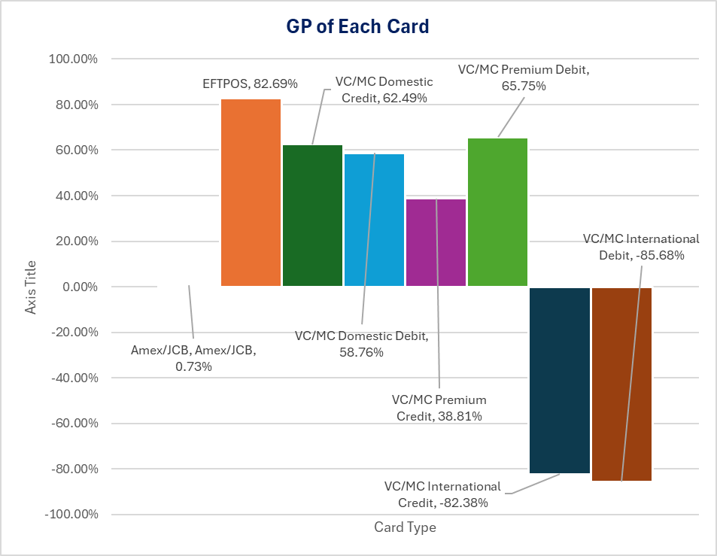

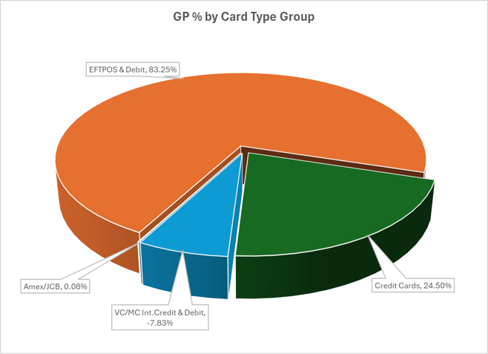
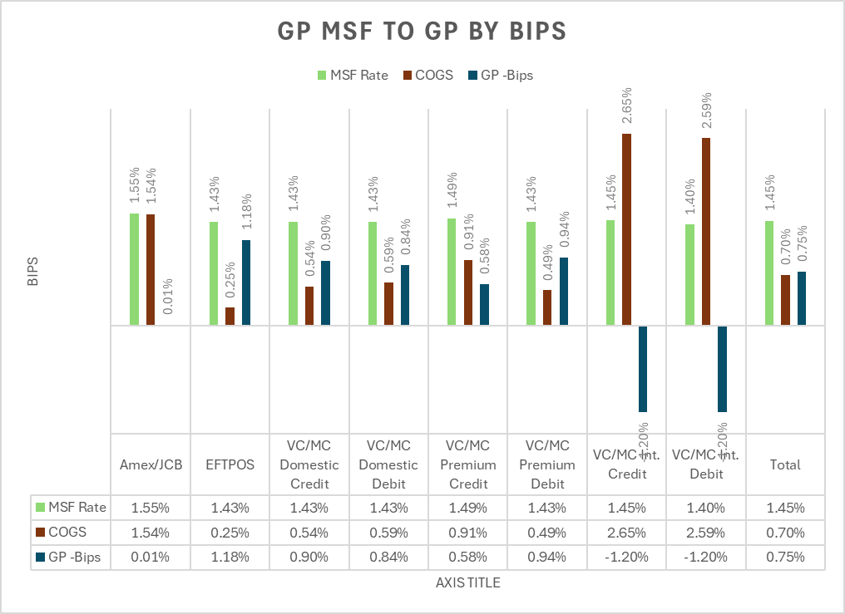
GP % by Card Type Group
 | GP%
Amex/JCB | -1.18%
EFTPOS & Debit | 88.62%
Credit Cards | 23.31%
VC/MC Int.Credit & Debit | -10.74%

Incentive Profile
 | Total
Gross GP (Bips) | $74.69
Pin Disc | $4.69
ADV+ Disc. | $2.89
Saas Disc. | $9.99
Comm Bips | $5.07
Net GP | $52.06

Working Paper 3
Table : 1 A | Card Mix by Card Type Actual Feb 2024 - Adyen Advanced |  |  |  |  |  |  |  |  | Table : 1 A | Card Mix by Card Type Actual Feb 2024 - Adyen Advanced |  |  |  |  |  |  |  |  | Table : 1 B | Card Mix Summarized by Card Group Actual Feb 2024 |  |  |  |  |  |  |  | Table : 1C | Card Mix Summarized by Schemes Feb 2024
Card Mix | % of TTV | TTV | MSF Bips | MSR Rev | COA Bips | COA | GP Bips | GP |  | Card Mix | % of TTV | TTV | MSF Bips | MSR Rev | COA Bips | COA | GP Bips | GP |  | Card Mix | % of TTV | TTV | MSF Bips | MSR Rev | COA Bips | COA | GP Bips | GP | Card Mix | % of TTV | TTV | MSF Bips | MSR Rev | COA Bips | COA | GP Bips | GP

Amex | 5.34% | $7,773,748 | 155 | $120,446 | 170 | $131,934 | -14.78 | -$11,489 |  | Amex | 5.34% | $7,773,748 | 154.94 | $120,446 | 169.72 | $131,934 | -14.78 | -$11,489 |  | Amex | 5% | $7,773,748 | 155 | $120,446 | 170 | $131,934 | -14.78 | -$11,489 | Amex | 5% | $7,773,748 | 155 | $120,446 | 170 | $131,934 | -14.78 | -$11,489
EFTPOS | 31.89% | $46,435,674 | 143 | $663,996 | 29 | $133,088 | 114.33 | $530,908 |  | EFTPOS | 31.89% | $46,435,674 | 142.99 | $663,996 | 28.66 | $133,088 | 114.33 | $530,908 |  | EFTPOS | 32% | $46,435,674 | 143 | $663,996 | 29 | $133,088 | 114.33 | $530,908 | EFTPOS | 32% | $46,435,674 | 143 | $663,996 | 29 | $133,088 | 114.33 | $530,908
VC/MC Domestic Credit | 4.01% | $5,845,626 | 143 | $83,860 | 60 | $35,212 | 83.22 | $48,649 |  | VC/MC Domestic Credit | 4.01% | $5,845,626 | 143.46 | $83,860 | 60.24 | $35,212 | 83.22 | $48,649 |  | MC/VC Debit | 31% | $44,831,248 | 143 | $640,594 | 81 | $362,665 | 61.99 | $277,930 | VC/MC Blended | 63% | $91,404,915 | 145 | $1,328,874 | 96 | $878,173 | 49.31 | $450,701
VC/MC Domestic Debit | 22.47% | $32,721,693 | 143 | $468,633 | 66 | $215,727 | 77.29 | $252,905 |  | VC/MC Domestic Debit | 22.47% | $32,721,693 | 143.22 | $468,633 | 65.93 | $215,727 | 77.29 | $252,905 |  | MC/VC Credit | 32% | $46,573,667 | 148 | $688,280 | 111 | $515,509 | 37.10 | $172,771
VC/MC PemiumCredit | 25.48% | $37,104,583 | 149 | $551,713 | 101 | $374,268 | 47.82 | $177,446 |  | VC/MC PemiumCredit | 25.48% | $37,104,583 | 148.69 | $551,713 | 100.87 | $374,268 | 47.82 | $177,446
VC/MC Premium Debit | 5.92% | $8,618,063 | 143 | $123,228 | 55 | $47,321 | 88.08 | $75,907 |  | VC/MC Premium Debit | 5.92% | $8,618,063 | 142.99 | $123,228 | 54.91 | $47,321 | 88.08 | $75,907
VC/MC Int. Credit | 2.49% | $3,623,458 | 145 | $52,706 | 293 | $106,029 | -147.16 | -$53,324 |  | VC/MC Int. Credit | 2.49% | $3,623,458 | 145.46 | $52,706 | 292.62 | $106,029 | -147.16 | -$53,324
VC/MC int. Debit | 2.40% | $3,491,492 | 140 | $48,733 | 285 | $99,616 | -145.73 | -$50,883 |  | VC/MC int. Debit | 2.40% | $3,491,492 | 139.58 | $48,733 | 285.31 | $99,616 | -145.73 | -$50,883

Total | 100% | $145,614,337 | 145 | $2,113,315 | 79 | $1,143,195 | 66.62 | $970,120 |  | Total | 100.00% | $145,614,337 | 145.13 | $2,113,315 | 78.51 | $1,143,195 | 66.62 | $970,120 |  | Total | 100% | $145,614,337 | 145 | $2,113,315 | 79 | $1,143,195 | 0.67% | $970,120 | Total | 100% | $145,614,337 | 145 | $2,113,315 | 79 | $1,143,195 | 0.67% | $970,120

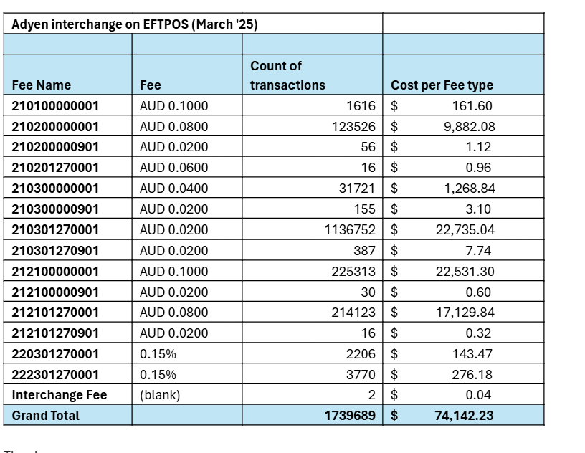
 |  |  |  |  |  |  |  |  |  |  |  |  |  |  |  |  |  |  |  |  |  |  |  |  |  |  |  |  | Mix between Advanced and Basic is materially similar
Card Mix | % of TTV | TTV | MSF Bips | MSR Rev | COA Bips | COA | GP Bips | GP |  | Card Mix | % of TTV | TTV | MSF Bips | MSR Rev | COA Bips | COA | GP Bips | GP
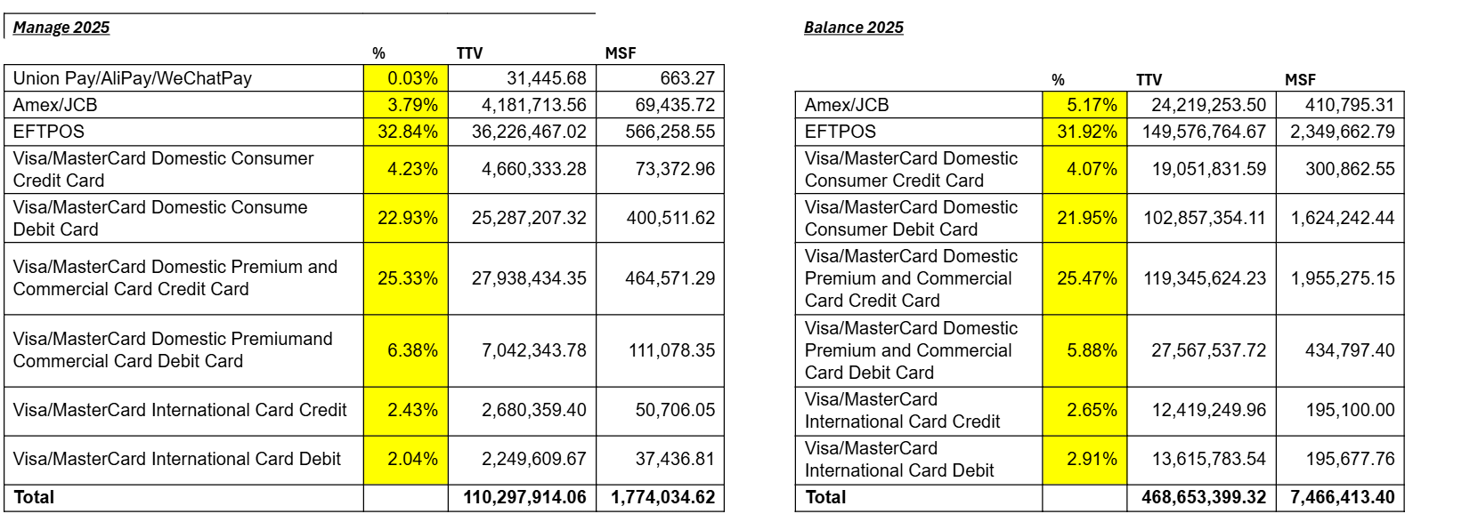
Amex | 4.00% | $5,824,573 | 195 | $113,579 | 170 | $98,853 | 25.28 | $14,726 |  | Amex | 4.00% | $5,824,573 | 195.00 | $113,579 | 169.72 | $98,853 | 25.28 | $14,726
EFTPOS | 35.00% | $50,965,018 | 65 | $331,273 | 25 | $127,413 | 40.00 | $203,860 |  | EFTPOS | 35.00% | $50,965,018 | 65.00 | $331,273 | 25.00 | $127,413 | 40.00 | $203,860
VC/MC Domestic Credit | 4.01% | $5,845,626 | 150 | $87,684 | 60 | $35,212 | 89.76 | $52,473 |  | VC/MC Domestic Credit | 4.01% | $5,845,626 | 150.00 | $87,684 | 60.24 | $35,212 | 89.76 | $52,473
VC/MC Domestic Debit | 20.00% | $29,122,867 | 65 | $189,299 | 25 | $72,807 | 40.00 | $116,491 |  | VC/MC Domestic Debit | 20.00% | $29,122,867 | 65.00 | $189,299 | 25.00 | $72,807 | 40.00 | $116,491
VC/MC PemiumCredit | 26.00% | $37,859,728 | 150 | $567,896 | 101 | $381,885 | 49.13 | $186,011 |  | VC/MC PemiumCredit | 26.00% | $37,859,728 | 150.00 | $567,896 | 100.87 | $381,885 | 49.13 | $186,011
VC/MC Premium Debit | 5.92% | $8,618,063 | 65 | $56,017 | 25 | $21,545 | 40.00 | $34,472 |  | VC/MC Premium Debit | 5.92% | $8,618,063 | 65.00 | $56,017 | 25.00 | $21,545 | 40.00 | $34,472
VC/MC Int. Credit | 2.49% | $3,623,458 | 300 | $108,704 | 293 | $106,029 | 7.38 | $2,674 |  | VC/MC Int. Credit | 2.49% | $3,623,458 | 300.00 | $108,704 | 292.62 | $106,029 | 7.38 | $2,674
VC/MC int. Debit | 2.40% | $3,491,492 | 300 | $104,745 | 285 | $99,616 | 14.69 | $5,129 |  | VC/MC int. Debit | 2.40% | $3,491,492 | 300.00 | $104,745 | 285.31 | $99,616 | 14.69 | $5,129

Total | 100% | $145,350,826 | 107 | $1,559,197 | 65 | $943,360 | 0.42% | $615,837 | 36.52% | Total | 99.82% | $145,350,826 | 107.27 | $1,559,197 | 64.90 | $943,360 | 0.00 | $615,837 | 36.52%

 |  |  |  |  |  |  |  |  |  |  |  |  |  |  |  |  |  |  |  |  |  |  |  |  |  |  |  |  |  |  | MSF Rate |  | 1.61% |  |  |  |  | MSF Rate | 1.59%

Merchant Information |  |  | Deal Evaluation |  |  | USE CARD MIX? | Yes |  |  |  |  |  |  |  |  |  |  |  |  |  |  |  |  |  | EFTPOS | $0.0426 | per tx
 |  |  |  |  |  |  |  |  |  |  |  |  |  |  |  |  |  |  |  |  |  |  |  | ATV | $30 | 14.21 | bips
Monthly TTV [TTV] | $39,795,000 |  | Revenue [$] | $497,437.50
ATV [$] | $30.85 |  | Total Cost [$] | $230,416.26
 |  |  | Gross Profit [$] | $267,021.24
MSF Rate ex GST [%] | 1.25%
 |  |  | 0 | 53.68%
No. of Terminals

Software Subsidy | $-
Other Subsidy | $-

 |  |  | COA by Card | Rev By Card | COA Bips
Bucket | %
AMEX | 1.40% |  | $8,988 | $557,130 | 1.61
CREDIT - Visa | 18.00% |  | $59,361 | $7,163,100 | 0.83
CREDIT - Mastercard | 17.80% |  | $67,202 | $7,083,510 | 0.95
DEBIT - Visa | 15.00% |  | $31,560 | $5,969,250 | 0.53
DEBIT - Mastercard | 15.00% |  | $31,560 | $5,969,250 | 0.53
EFTPOS | 32.80% |  | $31,745 | $13,052,760 | 0.24

 | 100.00% |  | $230,416 | $39,795,000 | 0.58

